Case 3
MONTH (Period) | SODA SALES (units) | exp 0.1 | error_abs | exp 0.2 | error_abs | exp 0.3 | error_abs | exp 0.4 | error_abs | exp 0.5 | error_abs | exp 0.6 | error_abs | exp 0.7 | error_abs | exp 0.8 | error_abs | exp 0.9 | error_abs
1 | 3,591 | #N/A |  | #N/A |  | #N/A |  | #N/A |  | #N/A |  | #N/A |  | #N/A |  | #N/A |  | #N/A
2 | 3,703 | 3,591 | 112 | 3,591 | 112 | 3,591 | 112 | 3,591 | 112 | 3,591 | 112 | 3,591 | 112 | 3,591 | 112 | 3,591 | 112 | 3,591 | 112
3 | 3,952 | 3602.2 | 349.8 | 3613.4 | 338.6 | 3624.6 | 327.4 | 3635.8 | 316.2 | 3647 | 305 | 3658.2 | 293.8 | 3669.4 | 282.6 | 3680.6 | 271.4 | 3691.8 | 260.2
4 | 3,882 | 3637.18 | 244.82 | 3681.12 | 200.88 | 3722.82 | 159.18 | 3762.28 | 119.72 | 3799.5 | 82.5 | 3834.48 | 47.52 | 3867.22 | 14.78 | 3897.72 | 15.72 | 3925.98 | 43.98
5 | 3,677 | 3661.662 | 15.338 | 3721.296 | 44.296 | 3770.574 | 93.574 | 3810.168 | 133.168 | 3840.75 | 163.75 | 3862.992 | 185.992 | 3877.566 | 200.566 | 3885.144 | 208.144 | 3886.398 | 209.398
6 | 3,659 | 3663.1958 | 4.1958 | 3712.4368 | 53.4368 | 3742.5018 | 83.5018 | 3756.9008 | 97.9008 | 3758.875 | 99.875 | 3751.3968 | 92.3968 | 3737.1698 | 78.1698 | 3718.6288 | 59.6288 | 3697.9398 | 38.9398
7 | 3,935 | 3662.77622 | 272.22378 | 3701.74944 | 233.25056 | 3717.45126 | 217.54874 | 3717.74048 | 217.25952 | 3708.9375 | 226.0625 | 3695.95872 | 239.04128 | 3682.45094 | 252.54906 | 3670.92576 | 264.07424 | 3662.89398 | 272.10602
8 | 3,615 | 3689.998598 | 74.998598 | 3748.399552 | 133.399552 | 3782.715882 | 167.715882 | 3804.644288 | 189.644288 | 3821.96875 | 206.96875 | 3839.383488 | 224.383488 | 3859.235282 | 244.235282 | 3882.185152 | 267.185152 | 3907.789398 | 292.789398
9 | 3,879 | 3682.4987382 | 196.5012618 | 3721.7196416 | 157.2803584 | 3732.4011174 | 146.5988826 | 3728.7865728 | 150.2134272 | 3718.484375 | 160.515625 | 3704.7533952 | 174.2466048 | 3688.2705846 | 190.7294154 | 3668.4370304 | 210.5629696 | 3644.2789398 | 234.7210602
10 | 3,653 | 3702.1488644 | 49.14886438 | 3753.1757133 | 100.17571328 | 3776.3807822 | 123.38078218 | 3788.8719437 | 135.87194368 | 3798.7421875 | 145.7421875 | 3809.3013581 | 156.30135808 | 3821.7811754 | 168.78117538 | 3836.8874061 | 183.88740608 | 3855.527894 | 202.52789398
11 | 3,768 | 3697.2339779 | 70.766022058 | 3733.1405706 | 34.859429376 | 3739.3665475 | 28.633452474 | 3734.5231662 | 33.476833792 | 3725.8710938 | 42.12890625 | 3715.5205432 | 52.479456768 | 3703.6343526 | 64.365647386 | 3689.7774812 | 78.222518784 | 3673.2527894 | 94.747210602
12 | 3,754 | 3704.3105801 | 49.689419852 | 3740.1124565 | 13.887543501 | 3747.9565833 | 6.0434167318 | 3747.9138997 | 6.0861002752 | 3746.9355469 | 7.064453125 | 3747.0082173 | 6.9917827072 | 3748.6903058 | 5.3096942158 | 3752.3554962 | 1.6445037568 | 3758.5252789 | 4.5252789398
13 |  | 3,764 |  | 3742.8899652 |  | 3749.7696083 |  | 3750.3483398 |  | 3750.4677734 |  | 3751.2032869 |  | 3752.4070917 |  | 3753.6710992 |  | 3754.4525279

 | MAD |  | 130.86197692 |  | 129.27872332 |  | 133.23426873 |  | 137.41281027 |  | 141.05522017 |  | 144.10479731 |  | 146.73509767 |  | 152.04269002 |  | 160.5395147

MAD vs Alpha value

 |  |  | Alpha | 0.1 | 0.2 | 0.3 | 0.4 | 0.5 | 0.6 | 0.7 | 0.8 | 0.9
 |  |  | MAD | 130.86197692 | 129.27872332 | 133.23426873 | 137.41281027 | 141.05522017 | 144.10479731 | 146.73509767 | 152.04269002 | 160.5395147

 | Part a. The forecast initially becomes more accurate (MAD goes down) but after alpha gets to 0.3 the forecast becomes less accurate. This may be due to the volatility of the data as time passes.
 | Part b. A value of alpha between 0.1 and 0.2 is the best.

 | Part c. The period 13 forecast with alpha = 0.2 is approximately 3743. ( see yellow box in red under alpha =0.2 column)

Sheet1
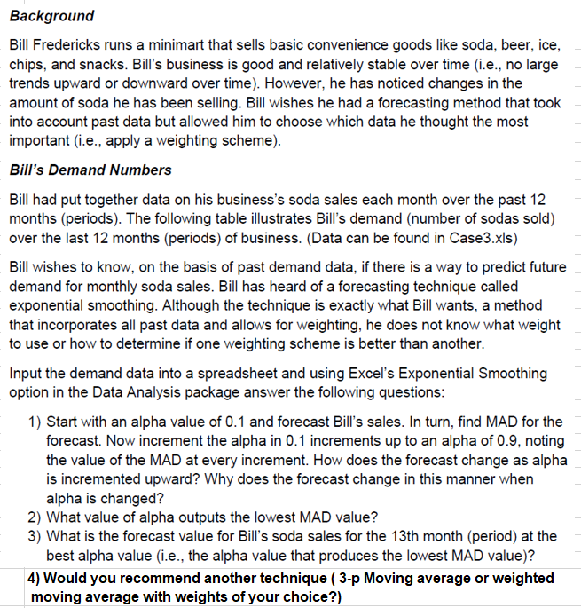
MONTH (Period) | SODA SALES (units) | 3-p MA | |error| | WMA | ES, 0.1
1 | 3,591 |  |  |  | #N/A
2 | 3,703 | #N/A |  |  | 3,591
3 | 3,952 | #N/A |  |  | 3602.2
4 | 3,882 | 3,749 | 133.33333333 |  | 3637.18
5 | 3,677 | 3,846 | 168.66666667 |  | 3661.662
6 | 3,659 | 3,837 | 178 |  | 3663.1958
7 | 3,935 | 3,739 | 195.66666667 |  | 3662.77622
8 | 3,615 | 3,757 | 142 |  | 3689.998598
9 | 3,879 | 3,736 | 142.66666667 |  | 3682.4987382
10 | 3,653 | 3,810 | 156.66666667 | 0.3 | 3702.1488644
11 | 3,768 | 3,716 | 52.333333333 | 0.3 | 3697.2339779
12 | 3,754 | 3,767 | 12.666666667 | 0.4 | 3704.3105801
13 |  | 3,725 |  | 3727.9

 |  | MAD | 131.33333333

